Diffusion
Virus | Fraction | Percentage of virus | Day | Experiment | Experiment done in 1 mL (1cc) syringes, each fraction corresponds to 100 μL
T3wt | 2 | 19.2453307 | 5 | 1
T3wt | 3 | 12.42517686 | 5 | 1 | Virus was added on top of the syringe directly over fraction 1. In the first experiment fraction 1 was removed because it was too saturated
T3wt | 4 | 10.66979439 | 5 | 1
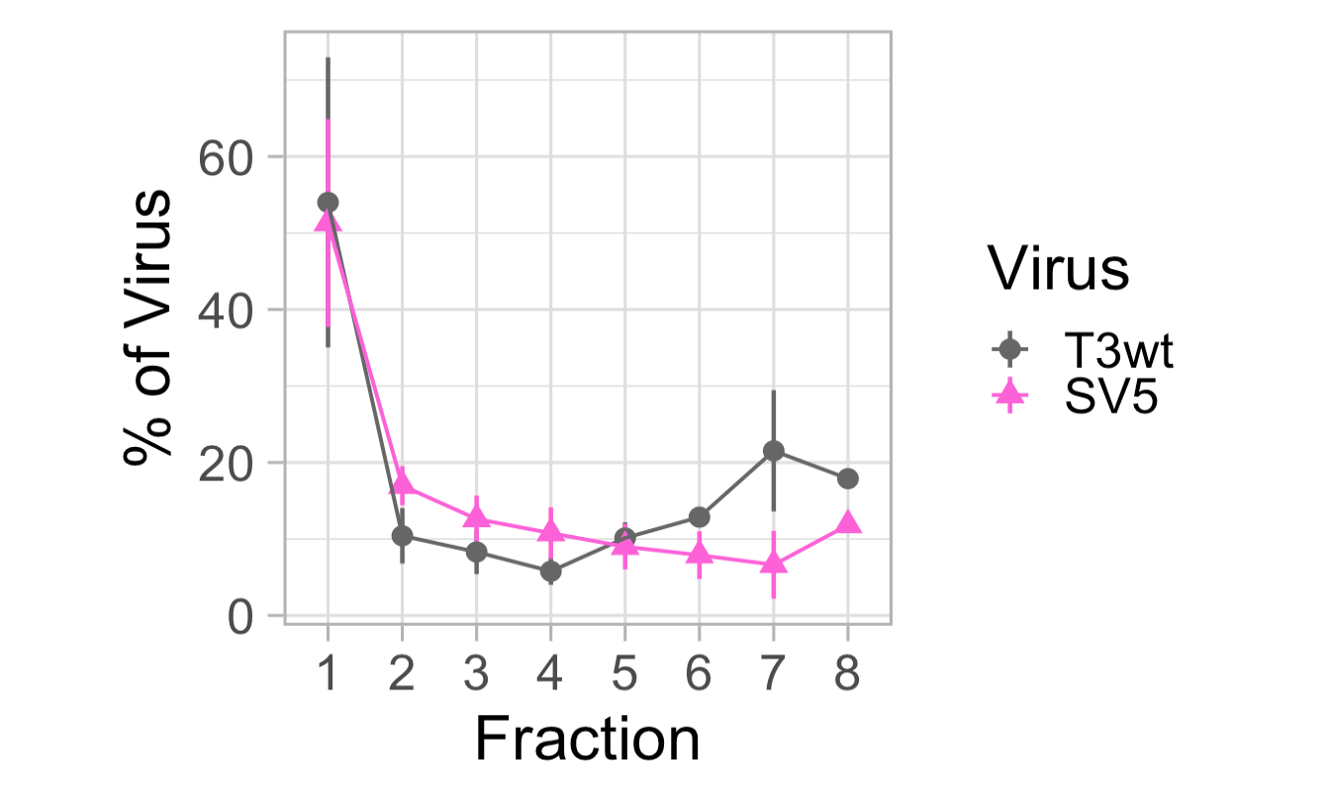
1
2
3
4
5
6
7
8
T3wt | 5 | 12.23615499 | 5 | 1
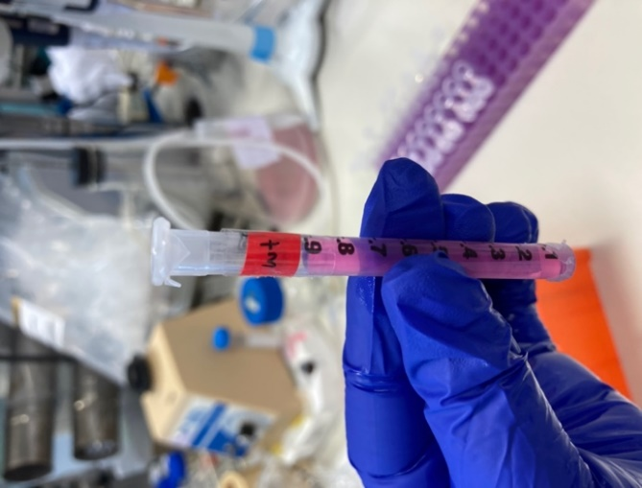
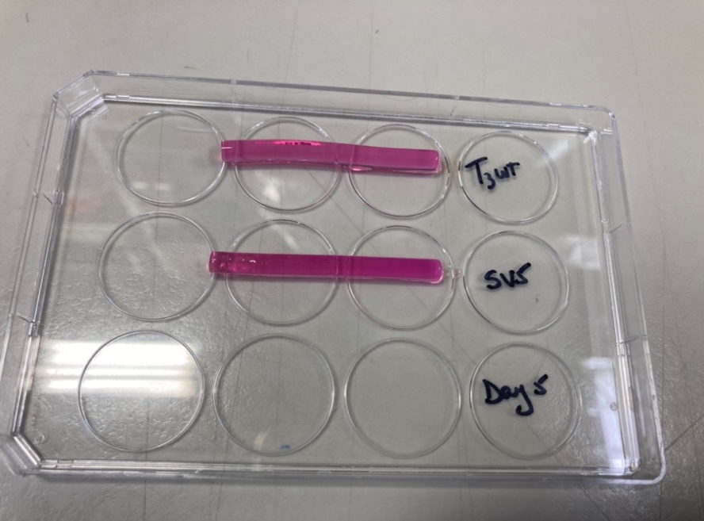
T3wt | 6 | 13.94702382 | 5 | 1
T3wt | 7 | 13.59262961 | 5 | 1
T3wt | 8 | 17.88388963 | 5 | 1
SV5 | 2 | 16.91285292 | 5 | 1
SV5 | 3 | 14.25756797 | 5 | 1
SV5 | 4 | 14.17353576 | 5 | 1
SV5 | 5 | 17.7763411 | 5 | 1
SV5 | 6 | 13.98816426 | 5 | 1
SV5 | 7 | 11.0644287 | 5 | 1
SV5 | 8 | 11.82710929 | 5 | 1
T3wt | 1 | 54.918082847 | 5 | 2
T3wt | 2 | 6.3205860225 | 5 | 2
T3wt | 3 | 5.3386030674 | 5 | 2
T3wt | 4 | 4.213623996 | 5 | 2
T3wt | 5 | 14.854772425 | 5 | 2
T3wt | 6 | 14.354331643 | 5 | 2
SV5 | 1 | 28.255735325 | 5 | 2
SV5 | 2 | 21.756206128 | 5 | 2
SV5 | 3 | 19.155788494 | 5 | 2
SV5 | 4 | 18.272614265 | 5 | 2
SV5 | 5 | 6.589520508 | 5 | 2
SV5 | 6 | 5.9701352802 | 5 | 2
T3wt | 1 | 86.386756061 | 5 | 3
T3wt | 2 | 2.9456848659 | 5 | 3
T3wt | 3 | 1.6161799685 | 5 | 3
T3wt | 4 | 2.3994660256 | 5 | 3
T3wt | 5 | 6.6519130789 | 5 | 3
SV5 | 1 | 75.313448116 | 5 | 3
SV5 | 2 | 9.8744454165 | 5 | 3
SV5 | 3 | 4.4899023989 | 5 | 3
SV5 | 4 | 3.323103519 | 5 | 3
SV5 | 5 | 6.9991005496 | 5 | 3
T3wt | 1 | 20.707034374 | 5 | 4
T3wt | 2 | 13.147345978 | 5 | 4
T3wt | 3 | 13.813999232 | 5 | 4
T3wt | 4 | 5.836731139 | 5 | 4
T3wt | 5 | 6.7834379939 | 5 | 4
T3wt | 6 | 10.257440032 | 5 | 4
T3wt | 7 | 29.45401125 | 5 | 4
SV5 | 1 | 50.349024965 | 5 | 4
SV5 | 2 | 19.330825994 | 5 | 4
SV5 | 3 | 12.546630848 | 5 | 4
SV5 | 4 | 7.2878150595 | 5 | 4
SV5 | 5 | 4.592760732 | 5 | 5
SV5 | 6 | 3.6996227592 | 5 | 4
SV5 | 7 | 2.1933196422 | 5 | 4

